SUM OF THE TOTAL SUB BY ETHNICI
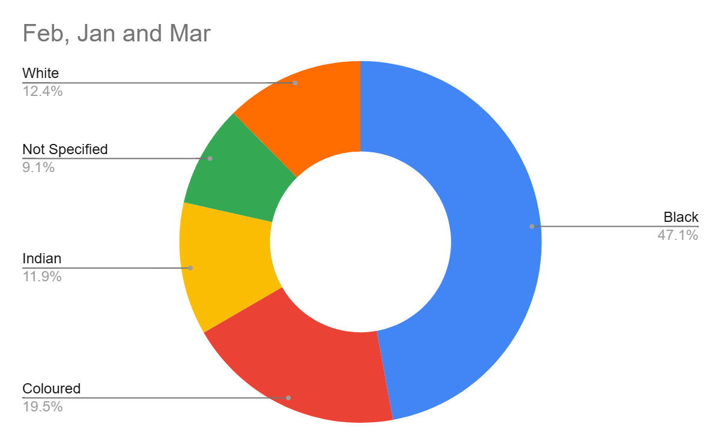
SUM of TOTAL_SUBSCRIBERS | MONTH_NAME
ETHNICITY | Jan | Feb | Mar | Grand Total
Black | 1194 | 1401 | 1734 | 4329
Coloured | 357 | 580 | 694 | 1631
Indian | 119 | 353 | 1103 | 1575
Not Specified | 277 | 271 | 621 | 1169
White | 254 | 368 | 669 | 1291
Grand Total | 2201 | 2973 | 4821 | 9995

SUM OF TOTAL SUBSCRIBERS VS TIM
SUM of TOTAL_SUBSCRIBERS vs TIME_OF_DAY
TIME_OF_DAY | SUM of TOTAL_SUBSCRIBERS
Afternoon | 3159
Evening | 2350
Morning | 3382
Night | 1104
Grand Total | 9995

TOTAL NUM OF SUB VIEWS BY ETHNI
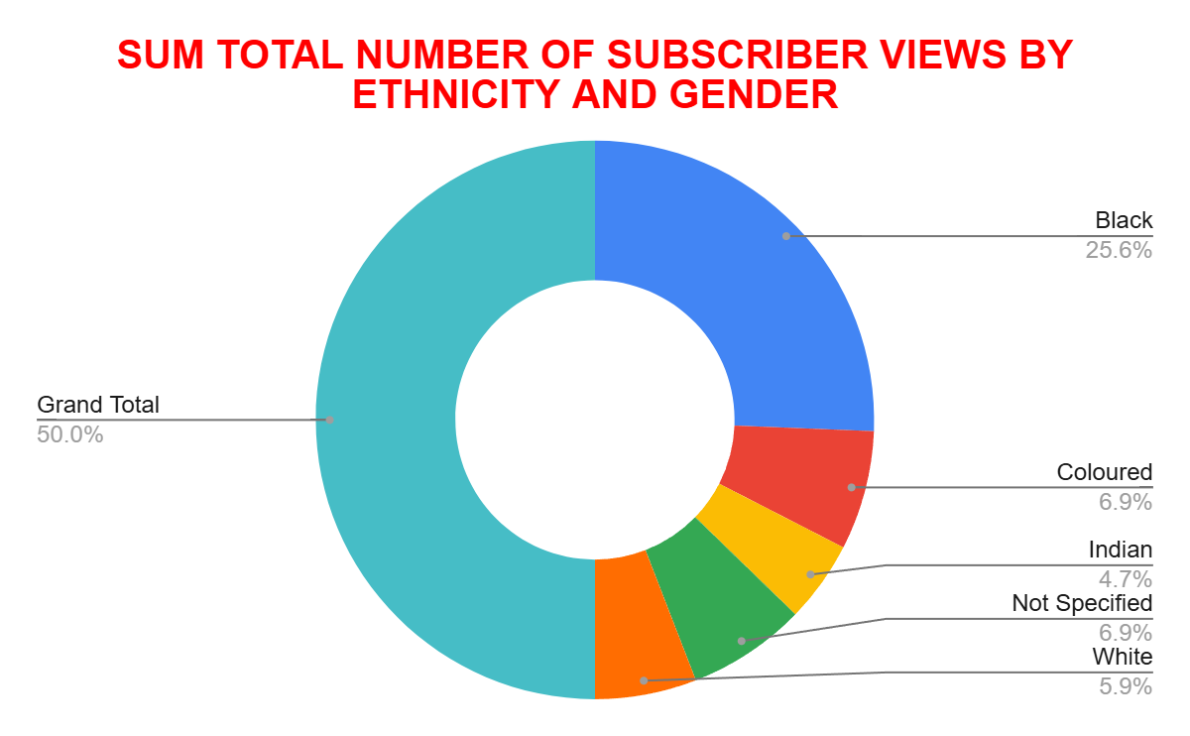
SUM of TOTAL_SUSBCRIBER_VIEWS | GENDER
ETHNICITY | Female | Male | Unknown | Grand Total
Black | 501 | 3830 |  | 4331
Coloured | 135 | 1498 |  | 1633
Indian | 92 | 1483 |  | 1575
Not Specified | 134 | 773 | 262 | 1169
White | 115 | 1177 |  | 1292
Grand Total | 977 | 8761 | 262 | 10000

CONTENT RECOMMENDATIONS FOR LOW
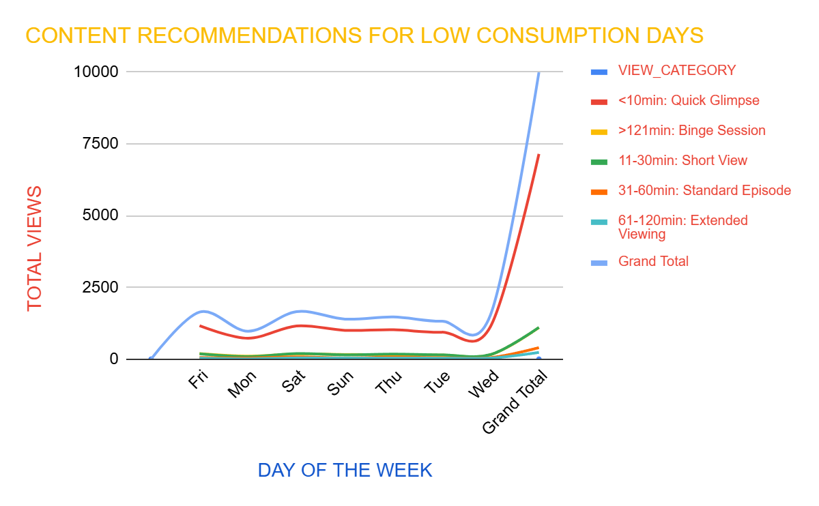
SUM of TOTAL_SUBSCRIBERS | VIEW_CATEGORY
DAY_NAME | <10min: Quick Glimpse | >121min: Binge Session | 11-30min: Short View | 31-60min: Standard Episode | 61-120min: Extended Viewing | (blank) | Grand Total
Sun | 1005 | 162 | 151 | 43 | 36 |  | 1397
Mon | 729 | 105 | 88 | 40 | 11 |  | 973
Tue | 940 | 144 | 150 | 52 | 35 |  | 1321
Wed | 1133 | 154 | 160 | 54 | 38 |  | 1539
Thu | 1024 | 159 | 176 | 73 | 38 |  | 1470
Fri | 1163 | 195 | 188 | 59 | 35 |  | 1640
Sat | 1157 | 182 | 194 | 80 | 42 |  | 1655
(blank)
Grand Total | 7151 | 1101 | 1107 | 401 | 235 |  | 9995

TOTAL SUBSRIBERS VIEWS AND DURA
SA_RECORD_DATE | (All)
PROVINCE | (All)

TV_CHANNEL | SUM of TOTAL_SUSBCRIBER_VIEWS | SUM of VIEW_DURATION
Africa Magic | 859 | 2.0322685185
Boomerang | 714 | 3.0524652778
Break in transmission | 66 | 0.037152777778
Cartoon Network | 793 | 2.9272800926
Channel O | 1050 | 8.0043402778
CNN | 505 | 2.8240625
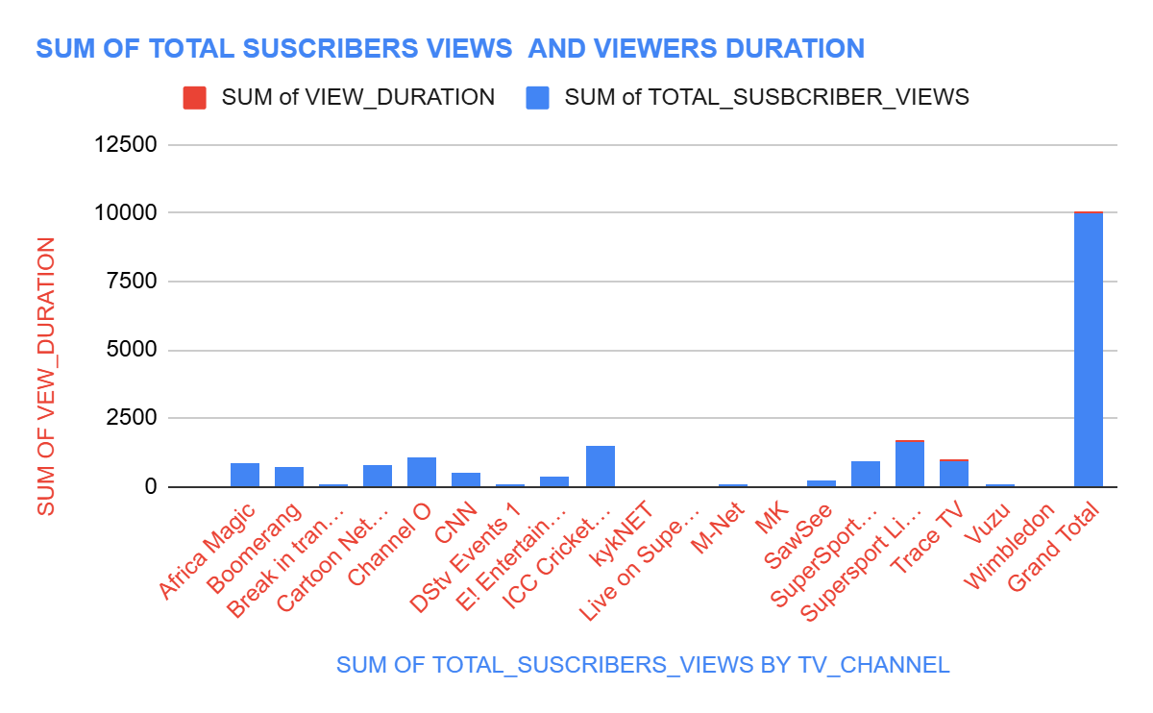
DStv Events 1 | 107 | 0.20144675926
E! Entertainment | 367 | 1.5410185185
ICC Cricket World Cup 2011 | 1465 | 17.171898148
kykNET | 45 | 0.11277777778
Live on SuperSport | 2 | 0.0032638888889
MK | 32 | 0.028391203704
M-Net | 116 | 0.16252314815
SawSee | 255 | 0.43412037037
SuperSport Blitz | 896 | 3.7783101852
Supersport Live Events | 1662 | 13.064328704
Trace TV | 952 | 7.9968402778
Vuzu | 111 | 0.059918981481
Wimbledon | 3 | 0.0003587962963
(blank)
Grand Total | 10000 | 63.432766204

NUMBER OF CHANNELS BY AGE GROUP
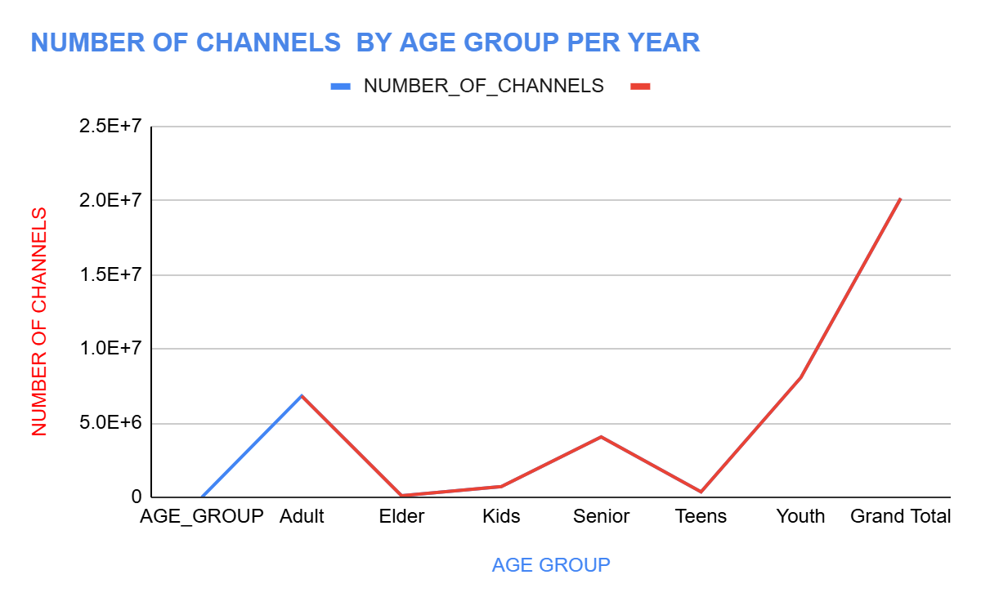
SUM of YEAR | NUMBER_OF_CHANNELS
AGE_GROUP | 1 | Grand Total
Adult | 6820128 | 6820128
Elder | 106848 | 106848
Kids | 723744 | 723744
Senior | 4064256 | 4064256
Teens | 362880 | 362880
Youth | 8072064 | 8072064
Grand Total | 20149920 | 20149920

